Sheet1
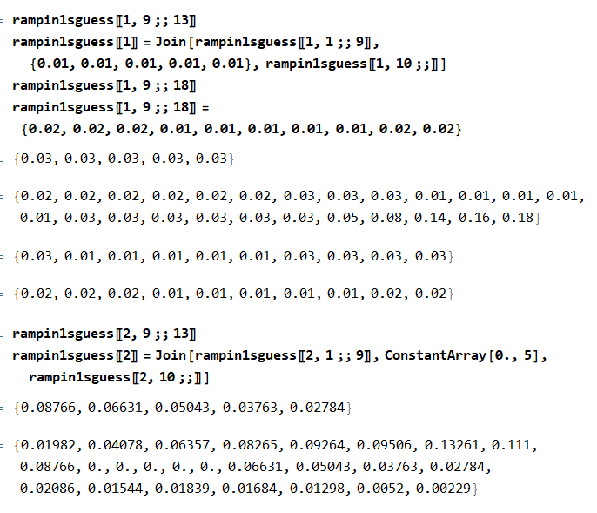
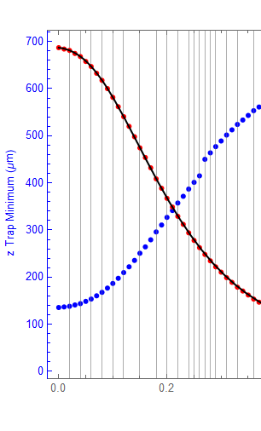
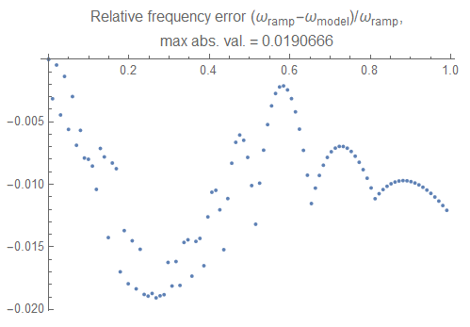
Trying to smooth that jag at ~0.3 ramp time fraction
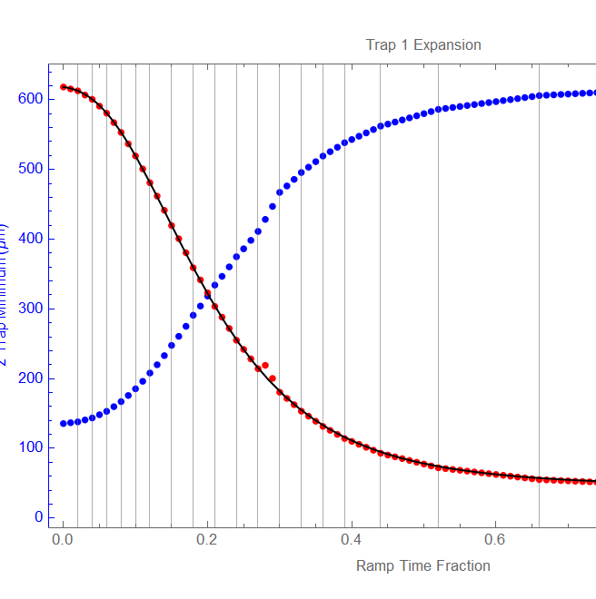

First try to manually decrease the slope:

No obvious effect:
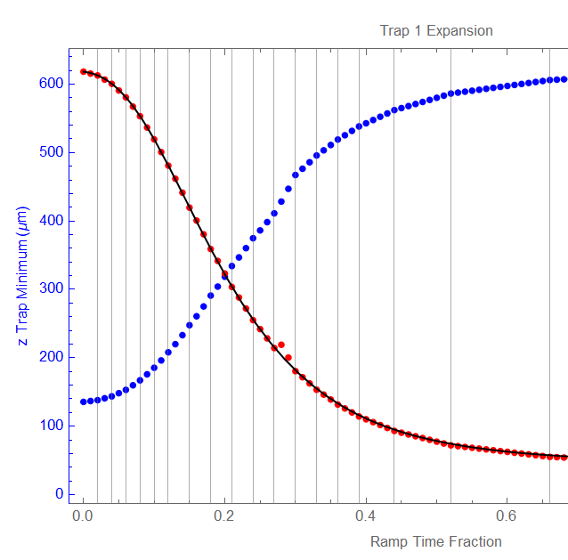

The function wants to pull it to that point:
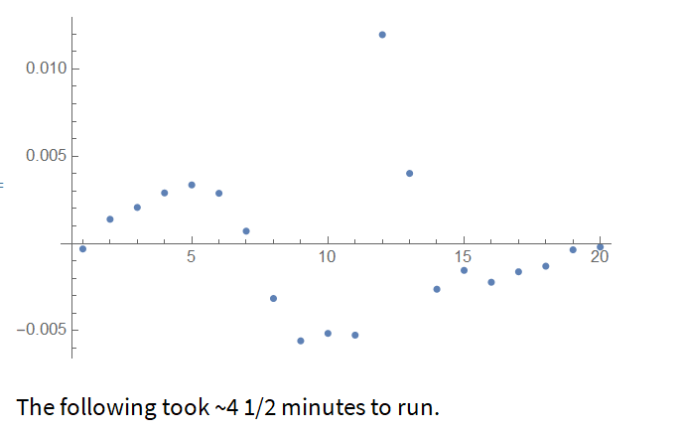

 |  | difference between the guess and the calculated ramp

Reset the fractions. Try to manually adjust times.
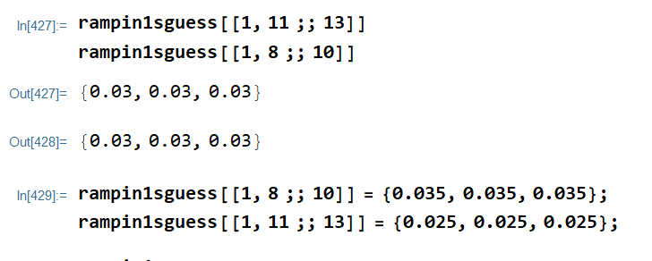

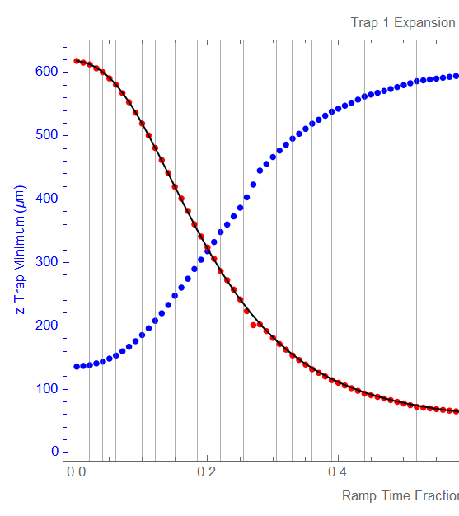

Better
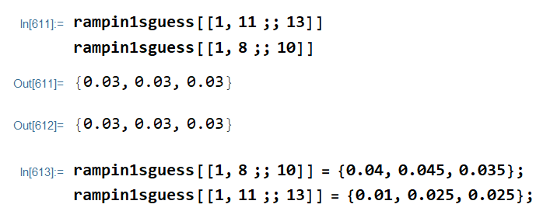

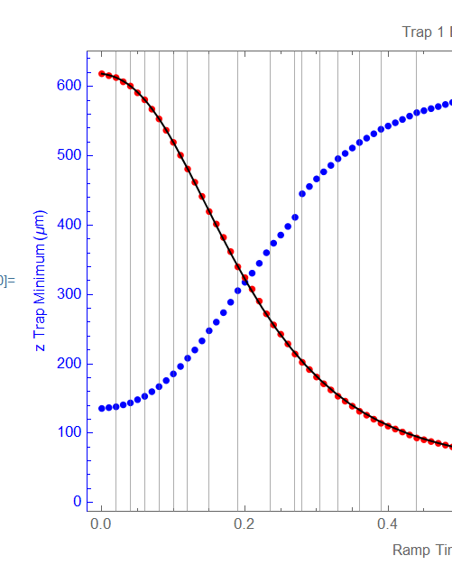

Now there's a jump in the Trap position, which also doesn't look good.
Seems to suggest a weird relationship between trap frequency and position in that part of parameter space.

Changed Bzf = 0, according to Dave's intimations about the ramp.
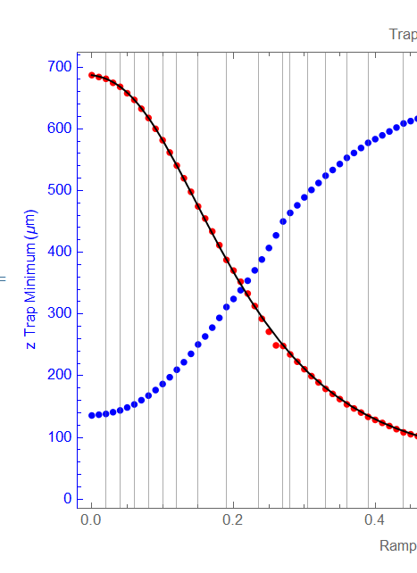

Seems to help a little

Notebook shut down, reverted to original ramp. Rechanged the final Bz to 0.

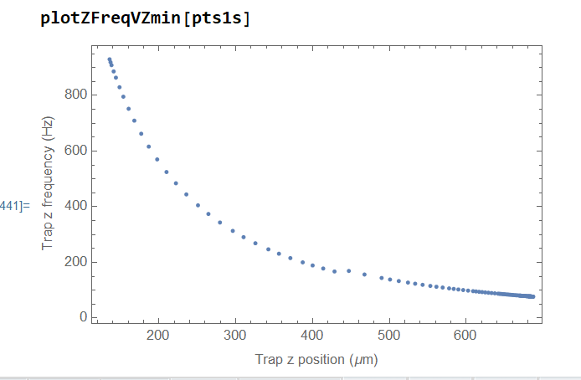
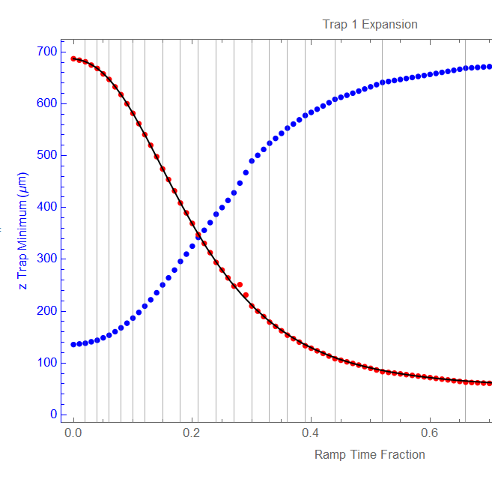

Now try
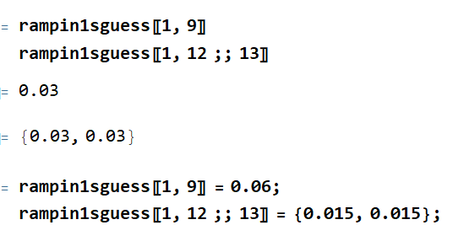
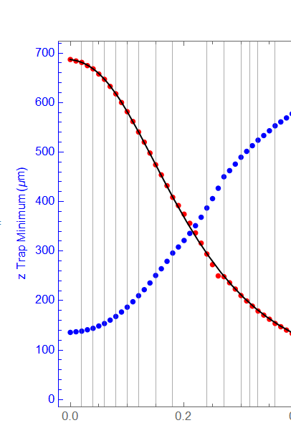

Trying to smooth it out | 20200714T204424_trap1short

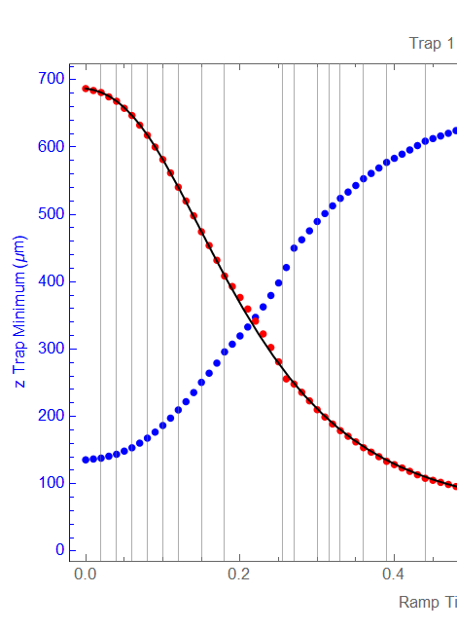
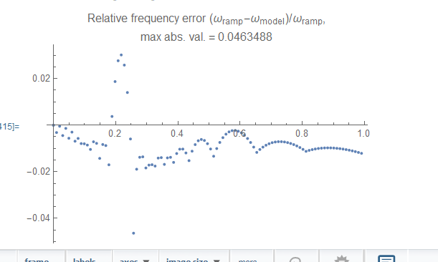

Now going for 25 divisions | 20200714T222655_trap1short

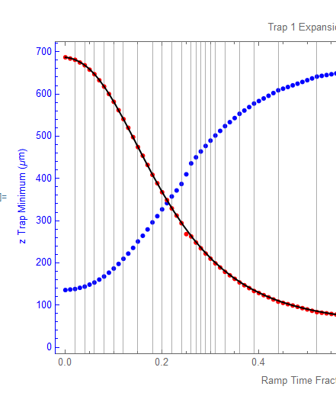
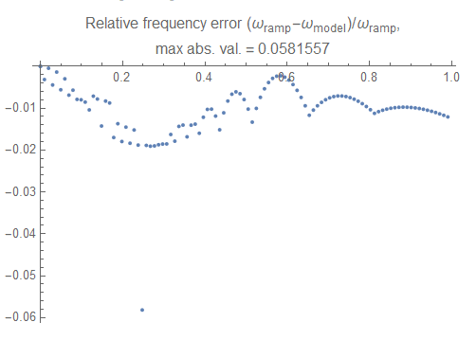

SUCCESS!

